VLSM
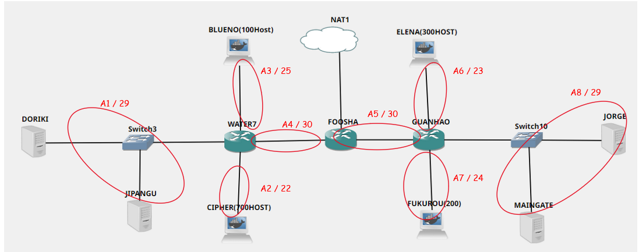

Subnet | Jumlah IP | Netmask
A1 | 3 | /29
A2 | 701 | /22
A3 | 101 | /25
A4 | 2 | /30
A5 | 2 | /30
A6 | 301 | /23
A7 | 201 | /24
A8 | 3 | /29
Total | 1314 | /21

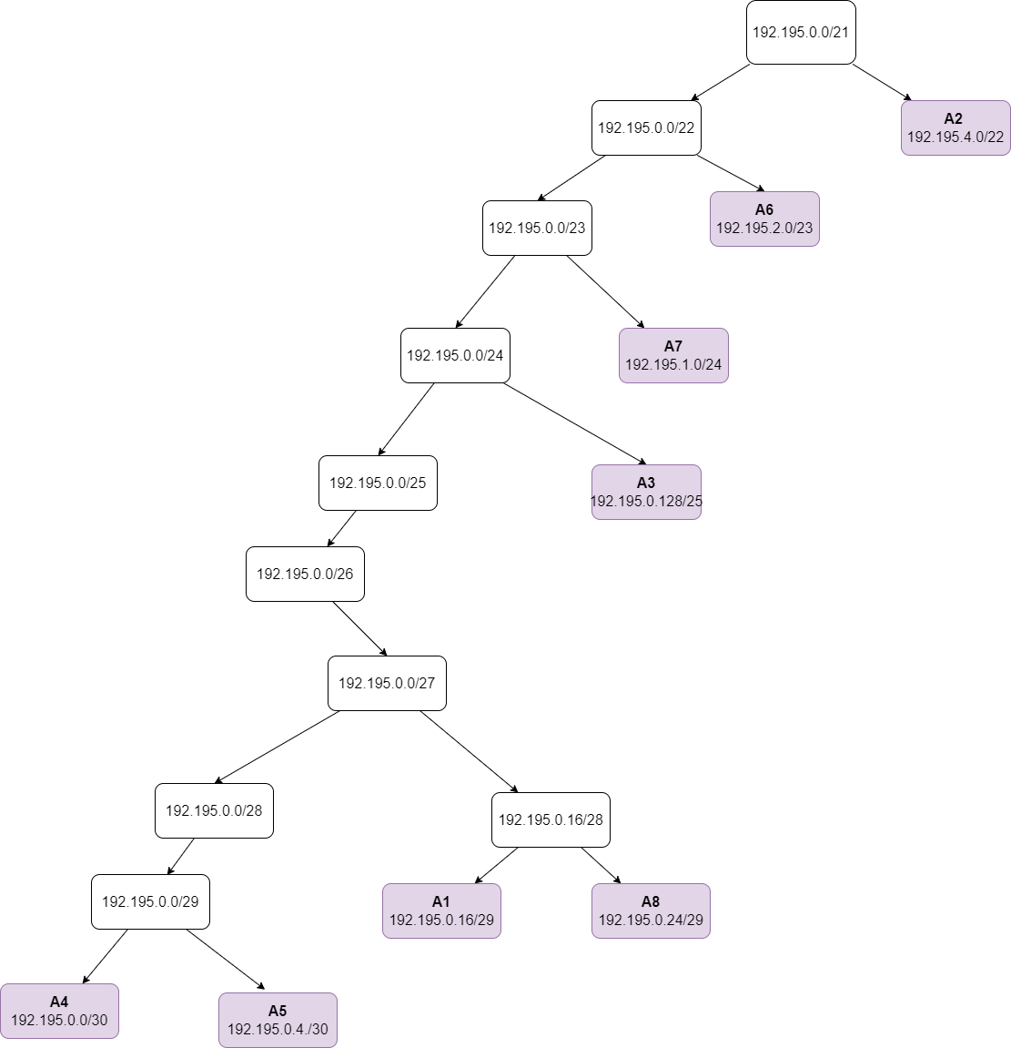
A1 | Network ID | 192.195.0.16/29
 | Netmask | 255.255.255.248
 | Broadcast Address
A2 | Network ID | 192.195.4.0/22
 | Netmask | 255.255.252.0
 | Broadcast Address
A3 | Network ID | 192.195.0.128/25
 | Netmask | 255.255.255.128
 | Broadcast Address
A4 | Network ID | 192.195.0.0/30
 | Netmask | 255.255.255.252
 | Broadcast Address
A5 | Network ID | 192.195.0.4/30
 | Netmask | 255.255.255.252
 | Broadcast Address
A6 | Network ID | 192.195.2.0/23
 | Netmask | 255.255.254.0
 | Broadcast Address
A7 | Network ID | 192.195.1.0/24
 | Netmask | 255.255.255.0
 | Broadcast Address
A8 | Network ID | 192.195.0.24/29 | A14 | Network ID | 192.195.160.0
 | Netmask | 255.255.255.248 |  | Netmask | 255.255.255.252
 | Broadcast Address |  |  | Broadcast Address | 192.195.160.3
 |  |  | A15 | Network ID | 192.195.164.0
 |  |  |  | Netmask | 255.255.255.252
 |  |  |  | Broadcast Address | 192.195.164.3

